Лист1
 | Petro |  | Bio
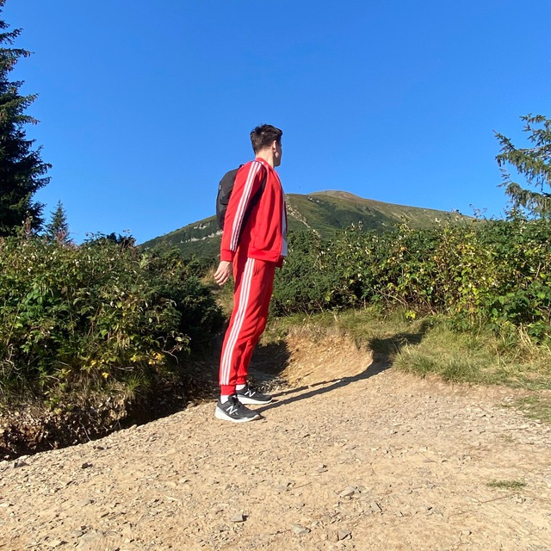
 |  |  | Не lives in Kyiv and making his Ph.D. Trying to get into Ukrainian IT.
 |  |  | He is single and loves to compete with everyone in everything. His
 |  |  | target is not to be better of everyone, but to be better today of
 |  |  | yesterday himself

 |  |  | Core needs

 |  |  | 1) Clear competition rules and strict adherence to rules

 |  |  | 2) Tracking his results

 |  |  | 3) Ability to communicate (invite) and play with new and old friends
AGE |  | 25

GENDER |  | MALE | Frustrations

OCCUPATION |  | SOFTWARE | 1) Bad weather. So there is no way to play sports outside
 |  | ENGINEER
TECH LITERATE |  | HIGH | 2) Lack of accurate tracking of time and number of repetitions
 |  |  | to track the result. It spoils the competitive component

"In love with sports. Loves |  |  | 3) It is not always possible to find people for a competitive
competition and the presence |  |  | game of ladder on the horizontal bar. It would be great to participate
of a competitive spirit. He |  |  | in such tournaments with a large number of people
does sports for himself.
Prefers outdoor activities
on horizontal bars. Finds
peace and tranquility in this"

